Type Chart by @_raffu
T
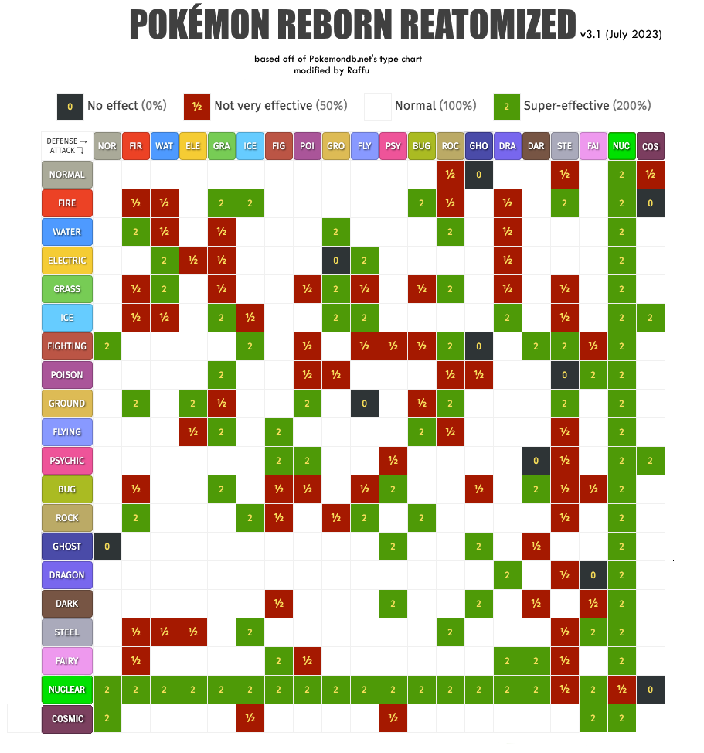

 | Huge shoutout to @_Raffu for the amazing work and help in bringing us this comprehensive type chart!!

